Foreign Tax Table Calc
Accrued Foreign Tax Credit Information (Table 1) Enter the following on Form 1118 (if corporation), or Form 1116 or Sch A, line 6 (if individual, estate, or trust) as applicable. |  |  |  |  |  |  | Example HGR Liquidating Trust Grantor Letter 2021 page 4
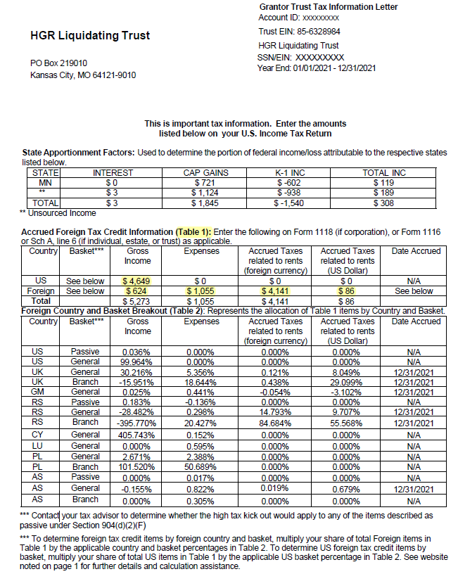
Enter Table 1 items from your tax-year 2021 grantor letter below for a calculation of your Table 2 items
Once entered, your calculated Foreign Tax Credit or Foreign Tax Deduction information will reflect below in green.
 |  |  |  |  |  | Input cell

Country | Basket | Gross Income | Expenses | Accrued Taxes related to rents (foreign currency) | Accrued Taxes related to rents (US Dollar) | Date Accrued
US | See Table 2 | $4,649 | $- | $- | $- | N/A
Foreign | See Table 2 | $624 | $1,055 | $4,141 | $86 | See Below
Total |  | $5,273 | $1,055 | $4,141 | $86

Foreign Country and Basket Breakout (Table 2)
Your calculated share of Table 1 items by Country and Basket
Country | Basket | Gross Income | Expenses | Accrued Taxes related to rents (foreign currency) | Accrued Taxes related to rents (US Dollar) | Date Accrued
US | Passive | 0.036% | 0.000% | 0.000% | 0.000% | N/A
US | General | 99.964% | 0.000% | 0.000% | 0.000% | N/A
UK | General | 30.216% | 5.356% | 0.121% | 8.049% | 2021-12-31
UK | Branch | -15.951% | 18.644% | 0.438% | 29.099% | 2021-12-31
GM | General | 0.025% | 0.441% | -0.055% | -3.102% | 2021-12-31
RS | Passive | 0.183% | -0.135% | 0.000% | 0.000% | N/A
RS | General | -28.482% | 0.298% | 14.793% | 9.707% | 2021-12-31
RS | Branch | -395.770% | 20.427% | 84.684% | 55.568% | 2021-12-31
CY | General | 405.743% | 0.153% | 0.000% | 0.000% | N/A
LU | General | 0.000% | 0.595% | 0.000% | 0.000% | N/A
PL | General | 2.671% | 2.388% | 0.000% | 0.000% | N/A
PL | Branch | 101.520% | 50.689% | 0.000% | 0.000% | N/A
AS | Passive | 0.000% | 0.017% | 0.000% | 0.000% | N/A
AS | General | -0.155% | 0.822% | 0.019% | 0.679% | 2021-12-31
AS | Branch | 0.000% | 0.305% | 0.000% | 0.000% | N/A

Country | Basket | Gross Income | Expenses | Accrued Taxes related to rents (foreign currency) | Accrued Taxes related to rents (US Dollar) | Date Accrued
US | Passive | $2 | $- | - | $- | N/A
US | General | $4,647 | $- | - | $- | N/A
UK | General | $189 | $57 | 5 | $7 | 2021-12-31
UK | Branch | $(100) | $197 | 18 | $25 | 2021-12-31
GM | General | $0 | $5 | (2) | $(3) | 2021-12-31
RS | Passive | $1 | $(1) | - | $- | N/A
RS | General | $(178) | $3 | 613 | $8 | 2021-12-31
RS | Branch | $(2,470) | $216 | 3,507 | $48 | 2021-12-31
CY | General | $2,532 | $2 | - | $- | N/A
LU | General | $- | $6 | - | $- | N/A
PL | General | $17 | $25 | - | $- | N/A
PL | Branch | $633 | $535 | - | $- | N/A
AS | Passive | $- | $0 | - | $- | N/A
AS | General | $(1) | $9 | 1 | $1 | 2021-12-31
AS | Branch | $- | $3 | - | $- | N/A

